Sheet1
LEGO & TOYS
Image | Sku | Description | Category Name | Subcategory Name | Brand | Available Quantity | Retail Price (USD) | Price
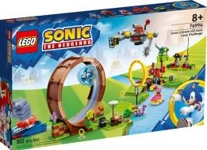 | 91947 | SONIC'S GREEN HILL ZONE LOOP CHALLENGE | Construction | Lego Sonic | Lego Sonic | 1,680 | $139.99 | $77.30
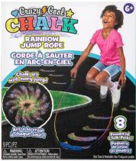 | 766736 | CCC-RAINBOW JUMP ROPE | GARDEN & SAND TOYS | MISC GARDEN | CRAZY COOL CHALK | 4,925 | $19.99 | $11.90
 | 766742 | CCC-STAMP STICK | GARDEN & SAND TOYS | MISC GARDEN | CRAZY COOL CHALK | 4,862 | $14.99 | $9.17
 | 766739 | CCC-STOMP STAMPERS | GARDEN & SAND TOYS | MISC GARDEN | CRAZY COOL CHALK | 4,842 | $18.99 | $11.35
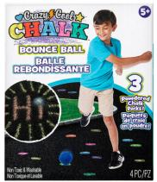 | 766744 | CCC-BOUNCE BALL | GARDEN & SAND TOYS | MISC GARDEN | CRAZY COOL CHALK | 4,834 | $14.99 | $9.17
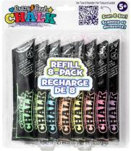 | 766747 | CCC-REFILL PACK | GARDEN & SAND TOYS | MISC GARDEN | CRAZY COOL CHALK | 4,750 | $7.99 | $5.36
 | 790039 | STERNS PUDDLE JUMPER LIFE JACKET | POOL/WATER TOYS | LEARN TO SWIM | STERNS | 4,796 | $24.99 | $14.62
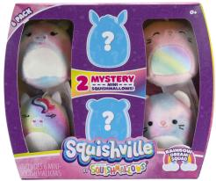 | 375716 | SQ-MINI-SQUISHMALLOW 6 PACK AST | MINI DOLLS & COLLECTIBLES | SQUISHVILLE | SQUISHMALLOW | 5,407 | $18.98 | $11.35
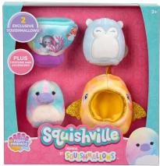 | 375710 | SQ-SQUISHVILLE ACCESSORY SET AST | MINI DOLLS & COLLECTIBLES | SQUISHVILLE | SQUISHMALLOW | 3,636 | $15.98 | $9.71
 | 766922 | MN-MINIONS Q-TOPPING 1.0 | ACTION & COLLECTOR | MINIONS | MINIONS | 1,008 | $6.99 | $4.81
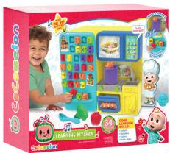 | 724122 | CC-E-Cocomelon Learning Kitchen | PRESCHOOL | COCOMELON | COCOMELON | 1,213 | $69.99 | $39.15
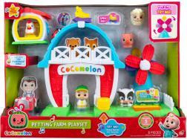 | 643354 | CC-E-COCOMELON PETTING FARM PLAYSET | PRESCHOOL | COCOMELON | COCOMELON | 1,585 | $79.99 | $44.60
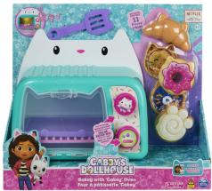 | 25267 | GB-Gabby's Dollhouse Cakey Oven | PRESCHOOL | GABBYS DOLLHOUSE | GABBYS DOLLHOUSE | 2,670 | $49.99 | $28.25
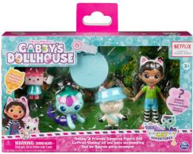 | 722138 | GB-Friends Figure Pack Camping | PRESCHOOL | GABBYS DOLLHOUSE | GABBYS DOLLHOUSE | 1,554 | $24.99 | $14.62
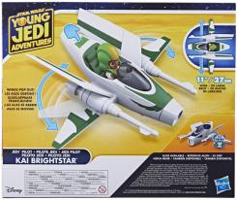 | 699966 | SW-PS FEATURE VEHICLE ASSORTMENT | PRESCHOOL | STAR WARS YOUNG JEDI | STAR WARS YOUNG JEDI | 1,599 | $44.99 | $25.52
 | 699945 | SW-PS ACTION FIGURE ASSORTMENT | PRESCHOOL | STAR WARS YOUNG JEDI | STAR WARS YOUNG JEDI | 2,003 | $11.99 | $7.54
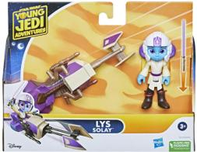 | 699947 | SW-PS FIGURE AND VEHICLE ASSORTMENT | PRESCHOOL | STAR WARS YOUNG JEDI | STAR WARS YOUNG JEDI | 2,014 | $26.99 | $15.71
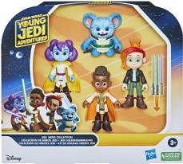 | 700053 | SW-EX- PS ACTION FIGURE 4PK | PRESCHOOL | STAR WARS YOUNG JEDI | STAR WARS YOUNG JEDI | 1,834 | $39.99 | $22.80
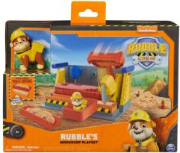 | 760409 | RUBBLE & CREW CONSTRUCTION PLAYSET B | PRESCHOOL | RUBBLE AND CREW | RUBBLE AND CREW | 3,849 | $34.99 | $20.07
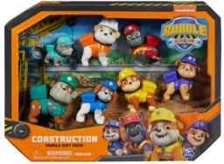 | 760412 | RUBBLE & CREW FIGURE GIFT PACK | PRESCHOOL | RUBBLE AND CREW | RUBBLE AND CREW | 2,596 | $42.99 | $24.43
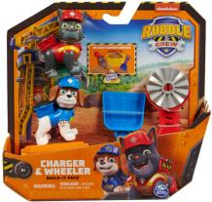 | 760404 | RUBBLE & CREW FIGURE WHEELER 2PK | PRESCHOOL | RUBBLE AND CREW | RUBBLE AND CREW | 2,591 | $17.99 | $10.81
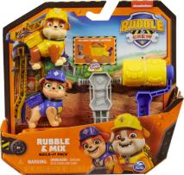 | 760407 | RUBBLE & CREW FIGURE RUBBLE AND MIX 2PK | PRESCHOOL | RUBBLE AND CREW | RUBBLE AND CREW | 2,972 | $17.99 | $10.81
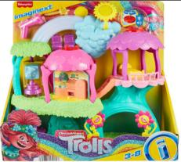 | 693011 | IMX-EX-TROLLS TREEHOUSE PLAYSETT | PRESCHOOL | IMAGINEXT | TROLLS | 2,017 | $79.99 | $44.60
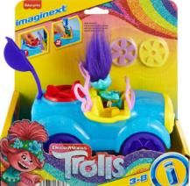 | 693017 | IMX-EX-TROLLS BRANCH'S BUGGY | PRESCHOOL | IMAGINEXT | TROLLS | 2,007 | $24.99 | $14.62
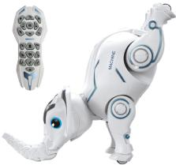 | 77760 | CODO PROGAMMING ELEPHANT | Robotics | Assorted Robotics | Assorted Robotics | 2,004 | $84.99 | $47.32
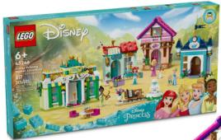 | 842338 | DISNEY PRINCESS MARKET ADVENTURE 43246 | Construction | Lego Princess | Lego Princess | 890 | $139.99 | $77.30
 | 52620 | Hot Wheels Basic car | Vehicles | Hot Wheels | Hot Wheels | 102,148 | $2.69 | $2.47
 | 713290 | EX-AD-RC XCELER8 1:12 LAND ROVER DEFEND | Vehicles | EXCERLER8 | EXCERLER8 | 1,817 | $119.99 | $66.40
 | 714458 | HW MT ARENA WORLD GITD GUNKSTER PLAYSET | Vehicles | Hot Wheels | Hot Wheels | 1,981 | $49.99 | $28.25
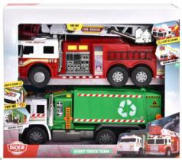 | 43826 | EX-GIANT TRUCK TEAM | Vehicles | Dickies | Dickies | 1,070 | $119.99 | $66.40
 | 491368 | TN-TONKA-STEEL TOUGHEST DUMP TRUCK | Vehicles | Tonka | Tonka | 804 | $129.99 | $71.85
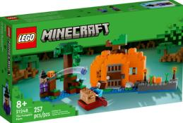 | 46887 | M6-LG MINECRAFT THE PUMPKIN FARM | Construction | Lego Minecraft | Lego Minecraft | 1,218 | $54.99 | $30.97
 | 121676 | EX-C2-CAT TOUGH RIGS 2-PACK AST. | Vehicles | CAT | CAT | 831 | $89.99 | $50.05
 | 140090 | TECH DECK XCONNCT TRANSFORMING SKATEPARK | Vehicles | Tech Deck | Tech Deck | 769 | $89.99 | $50.05
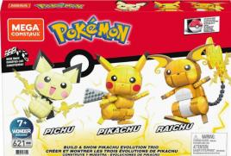 | 83553 | PK-PIKACHU EVOLUTION | Construction | Mega Pokemon | Mega Pokemon | 1,577 | $74.99 | $41.87
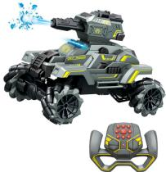 | 77973 | WATER BOMBER DRIFT | Vehicles | Assorted RC | Assorted RC | 1,149 | $69.99 | $39.15
 | 746520 | HW-HOT WHEELS POP CULTURE AST. | Vehicles | Hot Wheels | Hot Wheels | 6,652 | $9.99 | $6.45
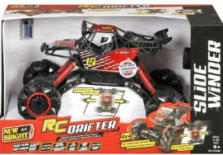 | 106407 | 1:10 HEAVY METAL SLIDE WINDER | Vehicles | New Bright | New Bright | 597 | $119.99 | $66.40
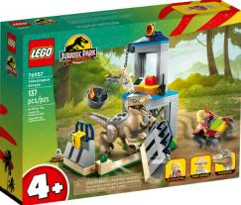 | 697370 | VELOCIRAPTOR ESCAPE | Construction | Lego Jurassic | Lego Jurassic | 870 | $59.99 | $33.70
 | 429284 | LIGHT & SOUND GIANT GARBAGE TRUCK | Vehicles | Dickies | Dickies | 1,061 | $59.99 | $33.70
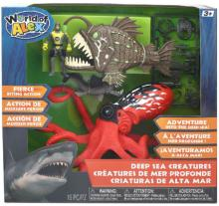 | 649824 | DEEP SEA CREATURES SET | Science | World of Alex | World of Alex | 1,760 | $34.99 | $20.07
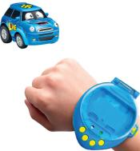 | 55522 | MAGIC STEER WRIST RACERS | Vehicles | Assorted RC | Assorted RC | 1,271 | $39.99 | $22.80
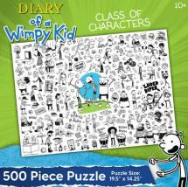 | 762458 | E-EX-DIARY OF WIMPY KID CHARACT 500 PUZ | Puzzles | PUZZLE EXTRA 3D | Diary of a Wimpy Kid | 1,600 | $19.99 | $11.90
 | 127340 | E-WWF 1000 PC. PUZZLE TRI-PACK | Puzzles | ADULT 1000 PC - 2000 CS | WWF | 806 | $36.99 | $21.16
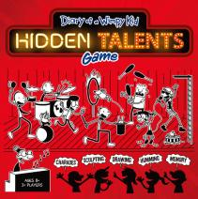 | 761648 | E-Diary of a Wimpy Kid: Hidden Talents | Games | Children's Games | Diary of a Wimpy Kid | 704 | $41.99 | $23.89
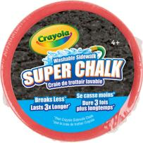 | 661535 | OUTDOOR SUPERCHALK | SCHOOL & ART SUPPLIES | CRAYOLA OUTDOOR | Crayola | 8,181 | $2.99 | $2.63
 | 672691 | ALEX AOF 16CT WATER COLOUR PAINTS | SCHOOL & ART SUPPLIES | ALEX ART OF FUN | ALEX ART OF FUN | 2,877 | $5.99 | $4.27
 | 672664 | ALEX AOF 12CT MARKERS FINE TIP | SCHOOL & ART SUPPLIES | ALEX ART OF FUN | ALEX ART OF FUN | 2,390 | $5.99 | $4.27
 | 672658 | ALEX AOF 8CT MARKERS SCENTED | SCHOOL & ART SUPPLIES | ALEX ART OF FUN | ALEX ART OF FUN | 2,238 | $5.99 | $4.27
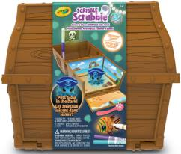 | 343221 | SCRIBBLE SCRUBBIE GLOW OCEAN TREASURE | SCHOOL & ART SUPPLIES | CRAYOLA SCRIBBLE SCRUBBIE | CRAYOLA SCRIBBLE SCRUBBIE | 2,193 | $21.99 | $12.99
 | 672693 | ALEX AOF 24CT TEMPERA PAINTS | SCHOOL & ART SUPPLIES | ALEX ART OF FUN | ALEX ART OF FUN | 1,919 | $11.99 | $7.54
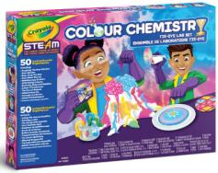 | 335924 | Tie Dye Colour Chemistry | SCHOOL & ART SUPPLIES | CRAYOLA SETS | CRAYOLA SETS | 1,748 | $37.99 | $21.71

 |  |  |  |  |  | 224,369

